Sheet1
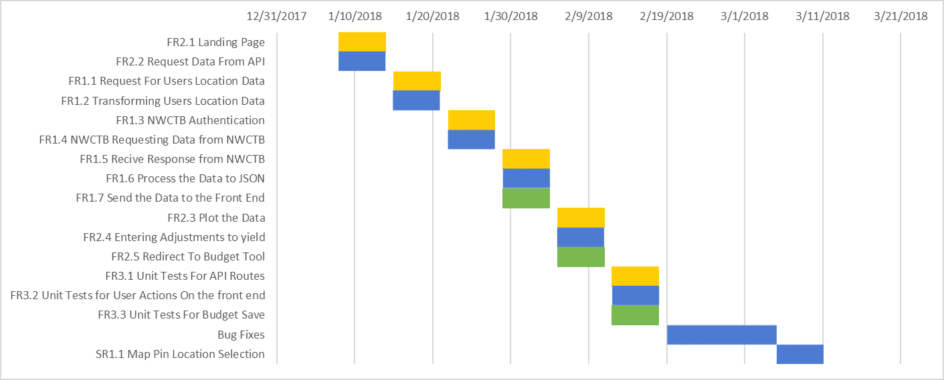
Gantt Chart
Requirement | Start Date | End Date | Duration
FR2.1 Landing Page | 2018-01-08 | 2018-01-14 | 6
FR2.2 Request Data From API | 2018-01-08 | 2018-01-14 | 6
FR1.1 Request For Users Location Data | 2018-01-15 | 2018-01-21 | 6
FR1.2 Transforming Users Location Data | 2018-01-15 | 2018-01-21 | 6
FR1.3 NWCTB Authentication | 2018-01-22 | 2018-01-28 | 6
FR1.4 NWCTB Requesting Data from NWCTB | 2018-01-22 | 2018-01-28 | 6
FR1.5 Recive Response from NWCTB | 2018-01-29 | 2018-02-04 | 6
FR1.6 Process the Data to JSON | 2018-01-29 | 2018-02-04 | 6
FR1.7 Send the Data to the Front End | 2018-01-29 | 2018-02-04 | 6
FR2.3 Plot the Data | 2018-02-05 | 2018-02-11 | 6
FR2.4 Entering Adjustments to yield | 2018-02-05 | 2018-02-11 | 6
FR2.5 Redirect To Budget Tool | 2018-02-05 | 2018-02-11 | 6
FR3.1 Unit Tests For API Routes | 2018-02-12 | 2018-02-18 | 6
FR3.2 Unit Tests for User Actions On the front end | 2018-02-12 | 2018-02-18 | 6
FR3.3 Unit Tests For Budget Save | 2018-02-12 | 2018-02-18 | 6
Bug Fixes | 2018-02-19 | 2018-03-05 | 14
SR1.1 Map Pin Location Selection | 2018-03-05 | 2018-03-11 | 6

